Sheet1
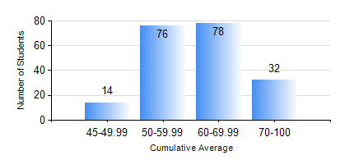
 |  |  | KWAME NKRUMAH UNIVERSITY OF SCIENCE AND TECHNOLOGY, KUMASI Department of Civil Engineering

 |  |  | BSC. CIVIL ENG.

 |  |  | COMPREHENSIVE RECORD OF EXAMINATION RESULTS

 |  |  | RESULTS OF YEAR 3 FIRST SEMESTER, 2018/2019 ACADEMIC YEAR

 | Sn | Course Code |  | Course Name | Credit Hours | Min. Mark | Max. Mark | Avg. Mark | Std. Dev. | No. Passed | No. Trailed | No. (Df) | No. (I) | No. (I*) | No. Tagged(I,I*,Df) | Total
 | 0. |  |  |  |  |  |  | 0 | 0 | 0 | 0 | 0 | 0 | 0 | 0 | 3
 | 1. | CE 351 |  | STRUCTURAL ANALYSIS | 2 | 19 | 99 | 66 | 17.99 | 194 | 3 | 0 | 0 | 0 | 0 | 197
 | 2. | CE 353 |  | REINFORCED CONCRETE DESIGN | 3 | 23 | 94 | 69 | 14.37 | 194 | 3 | 0 | 0 | 0 | 0 | 197
 | 3. | CE 355 |  | HYDROLOGY | 2 | 40 | 96 | 68 | 12.12 | 197 | 0 | 0 | 0 | 0 | 0 | 197
 | 4. | CE 359 |  | SOIL MECHANICS | 3 | 29 | 97 | 66 | 14.6 | 192 | 5 | 0 | 0 | 0 | 0 | 197
 | 5. | CE 367 |  | HIGHWAY AND TRANSPORTATION ENGINEERING I | 2 | 0 | 91 | 75 | 10.98 | 196 | 1 | 0 | 0 | 0 | 0 | 197
 | 6. | GE 381 |  | ENGINEERING SURVEYING | 3 | 33 | 81 | 58 | 11.06 | 187 | 10 | 0 | 0 | 0 | 0 | 197
 | 7. | MATH 351 |  | NUMERICAL ANALYSIS | 2 | 35 | 90 | 62 | 11.6 | 196 | 1 | 0 | 0 | 0 | 0 | 197
 | 8. | MATH 353 |  | STATISTICS I | 2 | 28 | 80 | 63 | 8.88 | 195 | 2 | 0 | 0 | 0 | 0 | 197

